Profiles with the most follower
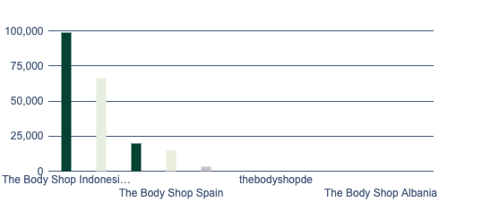
Profiles with the most followers |  |  |  | May 6, 2025 - Jun 2, 2025 |  | June 3, 2025

Profile | Network | Follower | Profile-ID | Link | External Links
The Body Shop Indonesia Store | TIKTOK | 98900 | 6861634519327835137 | https://app.fanpagekarma.com/discovery/TIKTOK/6861634519327835137 | https://www.tiktok.com/@thebodyshopindo
The Body Shop UK | TIKTOK | 66400 | 52279326770991104 | https://app.fanpagekarma.com/discovery/TIKTOK/52279326770991104 | https://www.tiktok.com/@thebodyshopuk
The Body Shop North America | TIKTOK | 19700 | 6973687915629544454 | https://app.fanpagekarma.com/discovery/TIKTOK/6973687915629544454 | https://www.tiktok.com/@thebodyshopcanada
The Body Shop Spain | TIKTOK | 14500 | 6865972585315025925 | https://app.fanpagekarma.com/discovery/TIKTOK/6865972585315025925 | https://www.tiktok.com/@thebodyshopspain
The Body Shop | TIKTOK | 3503 | 6827731759267578885 | https://app.fanpagekarma.com/discovery/TIKTOK/6827731759267578885 | https://www.tiktok.com/@thebodyshop
Thebodyshopuae | TIKTOK | - | 6943167013998101509 | https://app.fanpagekarma.com/discovery/TIKTOK/6943167013998101509 | https://www.tiktok.com/@thebodyshopuae
thebodyshopde | TIKTOK | - | 7418670384457499681 | https://app.fanpagekarma.com/discovery/TIKTOK/7418670384457499681 | https://www.tiktok.com/@thebodyshopde
The Body Shop ???????? | TIKTOK | - | 6935746973324575749 | https://app.fanpagekarma.com/discovery/TIKTOK/6935746973324575749 | https://www.tiktok.com/@thebodyshopdeat
TheBodyShop | TIKTOK | - | 6983886897950376966 | https://app.fanpagekarma.com/discovery/TIKTOK/6983886897950376966 | https://www.tiktok.com/@productsbyyessii.xoxo
The Body Shop Albania | TIKTOK | - | 6814541205830435846 | https://app.fanpagekarma.com/discovery/TIKTOK/6814541205830435846 | https://www.tiktok.com/@thebodyshopalbania
TheBodyShopArabia | TIKTOK | - | 7017742400760628230 | https://app.fanpagekarma.com/discovery/TIKTOK/7017742400760628230 | https://www.tiktok.com/@thebodyshoparabia

Follower growth and en...
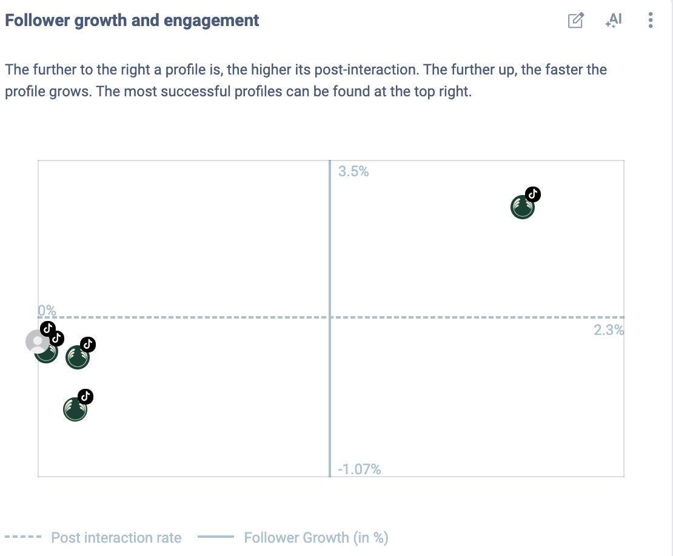
Follower growth and engagement |  |  |  | May 6, 2025 - Jun 2, 2025 |  |  |  | June 3, 2025

Profile | Network | Post interaction rate | Follower Growth (in %) | Neutral | Profile-ID | Link | External Links
Thebodyshopuae | TIKTOK | - | - | 1 | 6943167013998101509 | https://app.fanpagekarma.com/discovery/TIKTOK/6943167013998101509 | https://www.tiktok.com/@thebodyshopuae
thebodyshopde | TIKTOK | - | - | 1 | 7418670384457499681 | https://app.fanpagekarma.com/discovery/TIKTOK/7418670384457499681 | https://www.tiktok.com/@thebodyshopde
The Body Shop UK | TIKTOK | 0.17% | 0.3% | 1 | 52279326770991104 | https://app.fanpagekarma.com/discovery/TIKTOK/52279326770991104 | https://www.tiktok.com/@thebodyshopuk
The Body Shop ???????? | TIKTOK | - | - | 1 | 6935746973324575749 | https://app.fanpagekarma.com/discovery/TIKTOK/6935746973324575749 | https://www.tiktok.com/@thebodyshopdeat
The Body Shop Indonesia Store | TIKTOK | 0.04% | 0.41% | 1 | 6861634519327835137 | https://app.fanpagekarma.com/discovery/TIKTOK/6861634519327835137 | https://www.tiktok.com/@thebodyshopindo
The Body Shop Spain | TIKTOK | 0.16% | -0.68% | 1 | 6865972585315025925 | https://app.fanpagekarma.com/discovery/TIKTOK/6865972585315025925 | https://www.tiktok.com/@thebodyshopspain
TheBodyShop | TIKTOK | - | - | 1 | 6983886897950376966 | https://app.fanpagekarma.com/discovery/TIKTOK/6983886897950376966 | https://www.tiktok.com/@productsbyyessii.xoxo
The Body Shop Albania | TIKTOK | - | - | 1 | 6814541205830435846 | https://app.fanpagekarma.com/discovery/TIKTOK/6814541205830435846 | https://www.tiktok.com/@thebodyshopalbania
The Body Shop | TIKTOK | 0.0% | 0.6% | 1 | 6827731759267578885 | https://app.fanpagekarma.com/discovery/TIKTOK/6827731759267578885 | https://www.tiktok.com/@thebodyshop
The Body Shop North America | TIKTOK | 2.07% | 3.14% | 1 | 6973687915629544454 | https://app.fanpagekarma.com/discovery/TIKTOK/6973687915629544454 | https://www.tiktok.com/@thebodyshopcanada
TheBodyShopArabia | TIKTOK | - | - | 1 | 7017742400760628230 | https://app.fanpagekarma.com/discovery/TIKTOK/7017742400760628230 | https://www.tiktok.com/@thebodyshoparabia

Share of Interactions
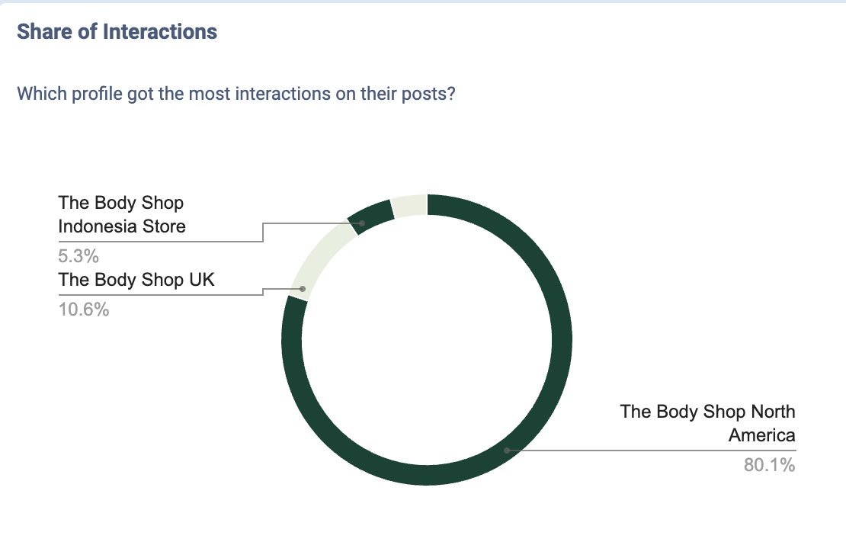
Share of Interactions |  |  |  | May 6, 2025 - Jun 2, 2025 |  | June 3, 2025

Profile | Network | Reactions, Comments & Shares | Profile-ID | Link | External Links
The Body Shop North America | TIKTOK | 8428 | 6973687915629544454 | https://app.fanpagekarma.com/discovery/TIKTOK/6973687915629544454 | https://www.tiktok.com/@thebodyshopcanada
The Body Shop UK | TIKTOK | 1117 | 52279326770991104 | https://app.fanpagekarma.com/discovery/TIKTOK/52279326770991104 | https://www.tiktok.com/@thebodyshopuk
The Body Shop Indonesia Store | TIKTOK | 558 | 6861634519327835137 | https://app.fanpagekarma.com/discovery/TIKTOK/6861634519327835137 | https://www.tiktok.com/@thebodyshopindo
The Body Shop Spain | TIKTOK | 425 | 6865972585315025925 | https://app.fanpagekarma.com/discovery/TIKTOK/6865972585315025925 | https://www.tiktok.com/@thebodyshopspain
Thebodyshopuae | TIKTOK | - | 6943167013998101509 | https://app.fanpagekarma.com/discovery/TIKTOK/6943167013998101509 | https://www.tiktok.com/@thebodyshopuae
thebodyshopde | TIKTOK | - | 7418670384457499681 | https://app.fanpagekarma.com/discovery/TIKTOK/7418670384457499681 | https://www.tiktok.com/@thebodyshopde
The Body Shop ???????? | TIKTOK | - | 6935746973324575749 | https://app.fanpagekarma.com/discovery/TIKTOK/6935746973324575749 | https://www.tiktok.com/@thebodyshopdeat
TheBodyShop | TIKTOK | - | 6983886897950376966 | https://app.fanpagekarma.com/discovery/TIKTOK/6983886897950376966 | https://www.tiktok.com/@productsbyyessii.xoxo
The Body Shop Albania | TIKTOK | - | 6814541205830435846 | https://app.fanpagekarma.com/discovery/TIKTOK/6814541205830435846 | https://www.tiktok.com/@thebodyshopalbania
The Body Shop | TIKTOK | 0 | 6827731759267578885 | https://app.fanpagekarma.com/discovery/TIKTOK/6827731759267578885 | https://www.tiktok.com/@thebodyshop
TheBodyShopArabia | TIKTOK | - | 7017742400760628230 | https://app.fanpagekarma.com/discovery/TIKTOK/7017742400760628230 | https://www.tiktok.com/@thebodyshoparabia

Follower Growth (in %)...
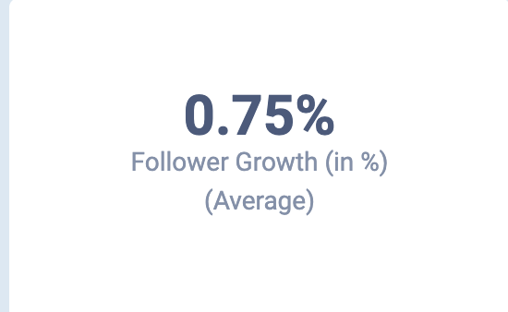
Follower Growth (in %)... |  |  |  | May 6, 2025 - Jun 2, 2025 |  | June 3, 2025

Profile | Network | Follower Growth (in %) (Average) | Profile-ID | Link | External Links
 |  | 0.75% | COMBINED_REIHE

Post interaction rate ...
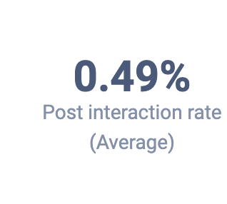
Post interaction rate |  |  |  | May 6, 2025 - Jun 2, 2025 |  | June 3, 2025

Profile | Network | Post interaction rate (Average) | Profile-ID | Link | External Links
 |  | 0.49% | COMBINED_REIHE

Follower Growth (in %)
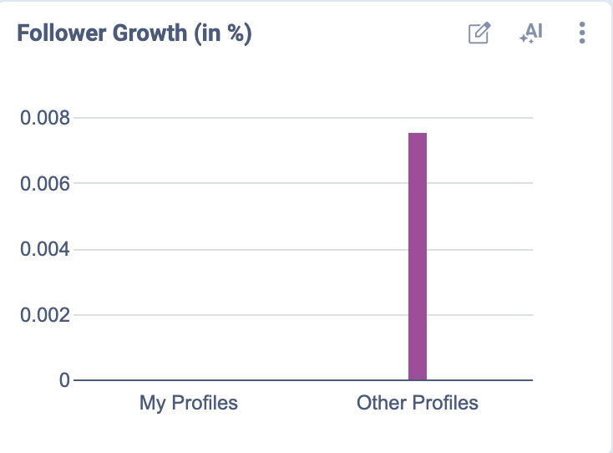
Follower Growth (in %) |  |  |  | May 6, 2025 - Jun 2, 2025 |  | June 3, 2025

Profile | Network | Follower Growth (in %) (None) (None) | Profile-ID | Link | External Links
My Profiles |  | - | mine
Other Profiles |  | 0.75% | others

Post interaction rate
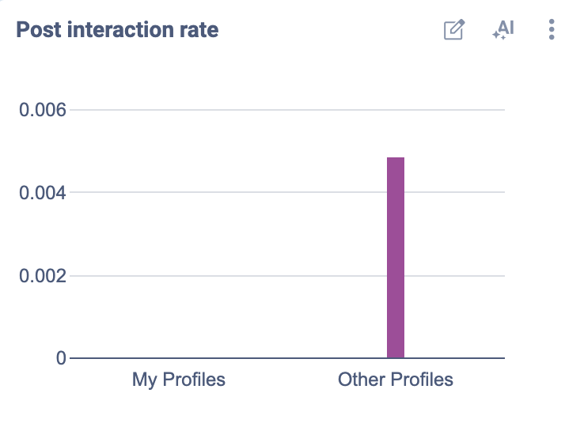
Post interaction rate |  |  |  | May 6, 2025 - Jun 2, 2025 |  | June 3, 2025

Profile | Network | Post interaction rate (None) (None) | Profile-ID | Link | External Links
My Profiles |  | - | mine
Other Profiles |  | 0.49% | others

